Instructions
Care Plan Change Requests

Instructions
A separate Care Plan Request Form should be completed for each Care Plan request i.e. One Care Plan - One Care Plan Request Form. Ensure Care Plan Design requirements are completed in full as outlined below, under Design Section. Working examples have been included in the Design (Example) tab for additional guidance. All changes will be built strictly in accordance with the approved Care Plan Request. It is the responsibility of the requesting site, the local Informatics Pharmacist, and the relevant multidisciplinary/site team to review and verify that the implemented changes are clinically appropriate, technically correct, and safe for local use before approval and promotion.

Service Request
Complete all fields highlighted in light blue.
A Back Office Pharmacist will assign a Care Plan Request number and document the date of receipt.

Sign Off
For Back Office Use only

Design
Adding/Removing a Care Plan
Complete the appropriate fields on the Design template, selecting Add in the Request column. Fields that MUST be completed on the template are highlighted in yellow on the table below. *See below for screenshot explanation of sections.
If IV sets are to be incorporated in a Care Plan, complete the IV set requirements on a separate IV Set Change Request Form and specify the IV set name (or Description) under 'Order Synonym' column on the Care Plan request template.

Request | Specify whether the request is to Add or Remove a Care Plan. Select from the drop-down menu
Care Plan Name | Specify Care Plan name to be displayed in PowerChart. Follow existing naming convention. Future Care Plan names should end in (Future).
Reason for Request | Specify why new or modification to an existing Care Plan is being requested
Reference | Specify any local, national or international guidance, against which this Care Plan is based
Facilities | Specify whether for use in all hospital sites or to be flexed for local use only. Local Care Plans are restricted to specific medication types or processes e.g. Insulin
Plan Type | Pre-filled as medical. Do not change.
Clinical Category | Specify whether components of the Care Plan are to sit under Medications or Continuous banner in the Care Plan
Sub-Plans* | If a Care Plan is to be made up of multiple sub-plans, indicate sub-plan name.
Heading* | An additional header e.g. POSTNATAL CARE PLAN TO BE DISCONTINUED POSTNATALLY
Note/Sub-heading* | An additional note/subheading that can sit above a group of orders.
Order synonym | Name of the medication or infusion. This is name by which the medication/infusion is currently ordered on PowerChart.
Drop-down OS menu | If multiple order sentences are to be added for one order synonym, there are a number of options available: No Default OS: There is no default OS and the message "Select an order sentence" is displayed. Default First OS: The first OS listed for the order synonym is displayed by default, an alternative OS can be selected from the drop-down list (N/A: If this option is not applicable i.e. the order synonym has only 1 order sentence, then this field can be left blank or N/A can be selected)
Order Sentence Details (these can be Order Sentences already existing in the system)
Dose | Numerical value of the dose
Dose Unit | What units the medication/infusion is prescribed in e.g. mg, microgram, mL. Select from the drop-down menu.
Route of Administration | What route is used for medication administration e.g. oral, intraVENOUS. Select from the drop-down menu.
Drug Form | Form of the medication to be administered to the patient e.g. tablet, liquid, patch. Select from the drop-down menu.
Frequency | Administration schedule i.e. How often the medication is to be given. Select from drop-down menu.
PRN | Specify whether the order should default to PRN = Yes or No. If left blank, the prescriber must specify on prescribing.
PRN Reason | To default a reason/indication to a PRN order. If left blank, the prescriber must specify on prescribing.
Special Instructions | Any additional information that may be displayed in the prescribing window e.g. administration instructions ("Rapid intravenous injection into central or large peripheral vein over 2 seconds"), or dose range details. Maximum 255 characters
Give First Dose Now | Specify whether the 'Give First Dose Now' field should default to Yes or No. If left blank, the prescriber must specify on prescribing.
Duration | Duration of treatment. Duration units should also be added e.g. doses, days, weeks, months
Offset details* | To delay the start time of a medication/infusion from when the Care Plan was prescribed e.g. +4hours = medication will be scheduled for administration 4 hours after the Care Plan is ordered.
Order Comments | To incorporate additional information, in a formatted or tabular manner. Note: Include link to reference material, if applicable.
Age Filters
Age Range Criteria | Between, Less than, or Greater than/equal to. Select from drop-down menu.
Min | Minimum Age
Max | Maximum Age
Unit | Unit of Age e.g. days, weeks, months, years
PMA Filters
PMA Criteria | Between, Less than, or Greater than/equal to. Select from drop-down menu.
Min | Minimum PMA
Max | Maximum PMA
Unit | Unit of PMA e.g. days, weeks
Weight Filters
Weight Criteria | Between, Less than, or Greater than/equal to. Select from drop-down menu.
Min | Minimum Weight
Max | Maximum Weight
Unit | Unit of Weight e.g. kg, g

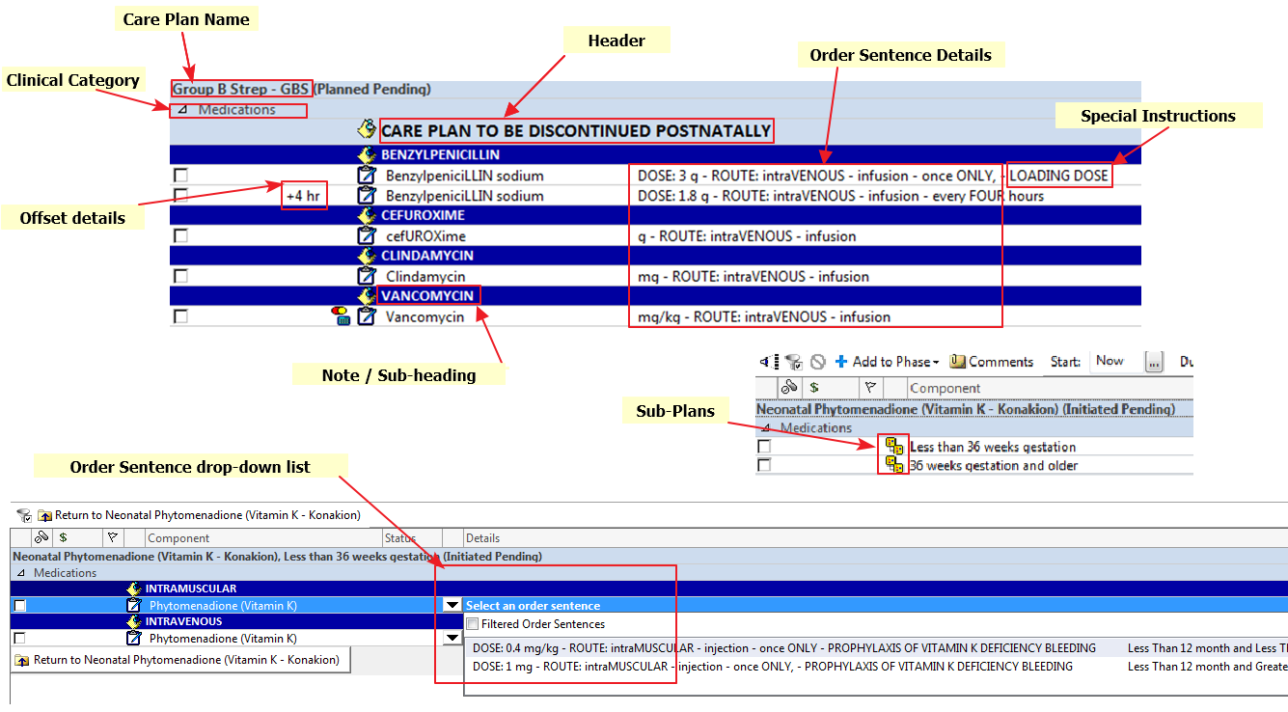

Modifying a Care Plan
Once the appropriate Care Plan for modification has been identified, complete the Design (Modify) template. If order sentences are to be ADDED, REMOVED or MODIFIED, list in the template specifying under which Sub-Plan, Heading, Subheading the Order Sentence/IV set is to be added, removed or modified.
If an Order Sentence is to be modified, specify Modify From/Modify To in the 'Action' column, and complete relevant fields. Any additional comments on a specific OS can be added to the 'Additional Comments' column.
If an IV set is to be ADDED or REMOVED from a Care Plan, complete the IV Set Change Request form, and specify the IV set name (or Description) in the 'Order Synonym' column.

Communication Notes
Any communications, by email or otherwise between back office staff, requestor or others should be documented on this tab.
Any additional comments for the attention of the back office pharmacist at the point of request can be added to this tab.

